Kobe Analysis
First 3 Years (Regular and Playoffs) |  | Year 1 (Regular and Playoffs) |  | Year 2 (Regular & Playoffs) |  |  | Year 3 (Regular & Playoffs) |  |  | Career Shooting Percentage |  |  | Year 1 Free Throws |  | Gm Score Average Per Year (Playoffs)
FGM | 1042 | FGM | 197 | FGM | 422 |  | FGM | 423 |  | FGM | 13733 |  | FTM | 162 | Year | Game Score
FGA | 2387 | FGA | 477 | FGA | 989 |  | FGA | 921 |  | FGA | 30699 |  | FTA | 196 | 1997 | 3.88
Shooting Percentage | 0.436531211 | Shooting Percentage | 0.41299790356 | Shooting Percentage | 0.42669362993 |  | Shooting Percentage | 0.45928338762 |  | Shooting Percentage | 0.447343562 |  | FT Percentage | 0.82653061224 | 1998 | 5.12
 |  | Games Played | 80 | Games Played | 90 |  | Games Played | 58 |  |  |  |  |  |  | 1999 | 13.65
 |  |  |  |  |  |  |  |  |  |  |  |  |  |  | 2000 | 14.45
Last 15 Years (Regular and Playoffs) |  | Year 1 Playoff Shooting Splits |  | Year 1 Playoff Shooting Splits |  |  | Year 1 Playoff Shooting Splits |  |  |  |  |  | Year 18 Free Throws |  | 2001 | 22.02
FGM | 12691 | FGM | 21 | FGM | 31 |  | FGM | 61 |  |  |  |  | FTM | 232 | 2002 | 17.34
FGA | 28312 | FGA | 55 | FGA | 76 |  | FGA | 142 |  |  |  |  | FTA | 281 | 2003 | 19.79
Shooting Percentage | 0.44825515682 | Shooting Percentage | 0.38181818182 | Shooting Percentage | 0.40789473684 |  | Shooting Percentage | 0.42957746479 |  |  |  |  | Shooting Percentage | 0.8256227758 | 2004 | 16.64
 |  |  |  |  |  |  |  |  |  |  |  |  |  |  | 2006 | 17.86
 |  |  |  |  |  |  |  |  |  |  |  |  |  |  | 2007 | 19.96
 |  | Year 1 Gm Score Average |  | Year 2 Gm Score Average |  |  | Year 3 Gm Score Average |  |  |  |  |  |  |  | 2008 | 21.65
 |  | Regular Season | 4.738028169 | Regular Season | 10.33164557 |  | Regular Season | 13.978 |  |  |  |  |  |  | 2009 | 22.37
 |  | Playoff | 3.8777777778 | Playoff | 5.1181818182 |  | Playoff | 13.65 |  |  |  |  |  |  | 2010 | 20.37
 |  | Collective | 4.64125 | Collective | 9.6944444444 |  | Collective | 13.932758621 |  |  |  |  |  |  | 2011 | 14.10
 |  |  |  |  |  |  |  |  |  |  |  |  |  |  | 2012 | 18.84

Conclusions:
This project allowed us to understand Kobe's career across time. When Kobe Bryant entered the NBA, he had a lack of playing time and ability, as compared to later in his career.
Kobe did not have the same playing ability or skill when he entered the league. Kobe Bryant had a drastically lower PER (player efficiency rating) in his first three years than his 11th to 13th years (fig. 5). When looking at Kobe's regular season BPM (box plus minus) averages across his 18-year career, the low points were his first three years and his last three years, after he tore his acl (fig. 1). Kobe's playoff game scores were also lackluster when he entered the league. In 1997 Kobe's average game score was 3.88 and 5.12 in 1998, but they increased to a 22.02 in 2001 and a 22.37 in 2009. We can see a linear progression in Kobe Bryant's playoff games scores across his 15-year playoff tenure (fig. 3). Kobe also notoriously had a terrible first year playoff run, just shooting 38 percent (fig. 6), almost seven percent down than his career shooting percentage.
Kobe received far less playing time than expected. Kobe only played 1103 minutes his first year. When comparing LeBron and Kobe's minutes played, Kobe had vastly fewer minutes played than LeBron in their respective first three years. However, in years 11 to 13 their minutes played were much higher and had less variance (fig. 4). Kobe and LeBron both played a high volume of games, with the exceptions in Figure 2 being year three where Kobe played 50 games.
Kobe Bryant lacked skill and didn't receive playing time when comparing himself to later in his career. When NBA fans remember Kobe, reminisces of lock-up defense, game winners, championships, and fadeaways come to mind. However, we tend to forget his early struggles and difficulties. His work ethic and dedication is a testament to his success.
 |  |  |  |  |  |  |  |  |  |  |  |  |  |  | BPM Per Year (Regular Season)
 |  |  |  |  |  |  | Kobe |  |  | Lebron |  |  |  |  | Year | Box Plus Minus
 |  |  |  |  |  | Year | Games Played | MP | PER | Games PlayedL | MPL | PERL |  |  | 1996-97 | 0.1
 |  |  |  |  |  | 1 | 71 | 1103 | 14.4 | 79 | 3122 | 18.3 |  |  | 1997-98 | 1.1
 |  |  |  |  |  | 2 | 79 | 2056 | 18.5 | 80 | 3388 | 25.7 |  |  | 1998-99 | 2.1
 |  |  |  |  |  | 3 | 50 | 1896 | 18.9 | 79 | 3361 | 28.1 |  |  | 1999-00 | 4.7
 |  |  |  |  |  | 11 | 77 | 3140 | 26.1 | 77 | 2902 | 29.3 |  |  | 2000-01 | 4.4
 |  |  |  |  |  | 12 | 82 | 3192 | 24.2 | 69 | 2493 | 25.9 |  |  | 2001-02 | 5
 |  |  |  |  |  | 13 | 82 | 2960 | 24.4 | 76 | 2709 | 27.5 |  |  | 2002-03 | 7.1
 |  |  |  |  |  |  |  |  |  |  |  |  |  |  | 2003-04 | 4.7
 |  |  |  |  |  |  |  |  |  |  |  |  |  |  | 2004-05 | 4.5
 |  |  |  |  |  |  |  |  |  |  |  |  |  |  | 2005-06 | 6.5
 |  |  |  |  |  |  |  |  |  |  |  |  |  |  | 2006-07 | 5.3
 |  |  |  |  |  |  |  |  |  |  |  |  |  |  | 2007-08 | 6
 |  |  |  |  |  |  |  |  |  |  |  |  |  |  | 2008-09 | 4.9
 |  |  |  |  |  |  |  |  |  |  |  |  |  |  | 2009-10 | 4
 |  |  |  |  |  |  |  |  |  |  |  |  |  |  | 2010-11 | 4.1
 |  |  |  |  |  |  |  |  |  |  |  |  |  |  | 2011-12 | 2.4
 |  |  |  |  |  |  |  |  |  |  |  |  |  |  | 2012-13 | 5.1
 |  |  |  |  |  |  |  |  |  |  |  |  |  |  | 2013-14 | -0.2
 |  |  |  |  |  |  |  |  |  |  |  |  |  |  | 2014-15 | 0.7
 |  |  |  |  |  |  |  |  |  |  |  |  |  |  | 2015-16 | -0.2

Kobe Analysis Power BI Visuals
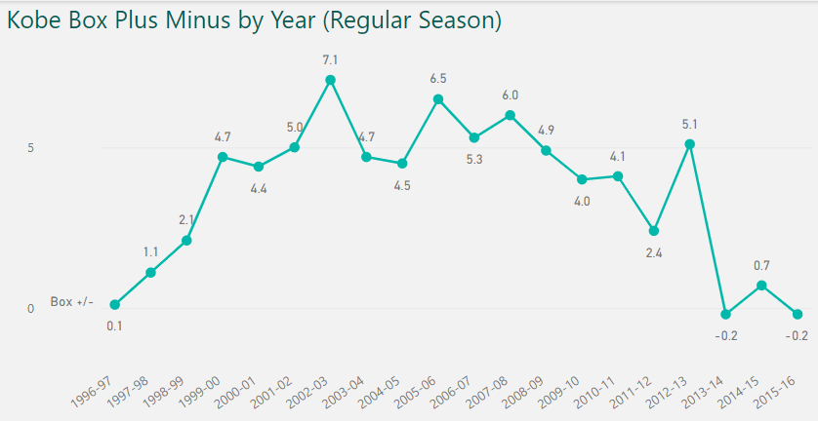
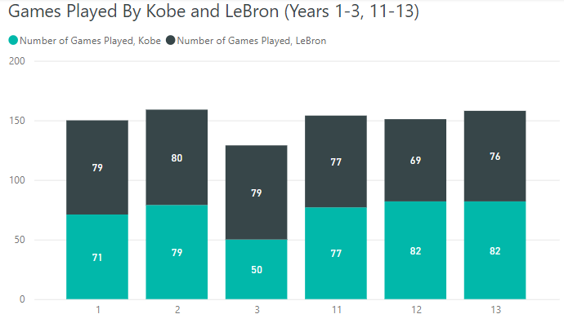
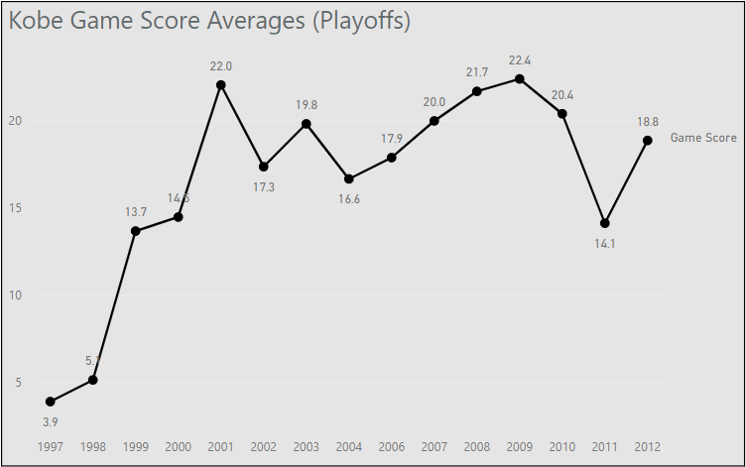

Figure 1
Figure 2
Figure 3

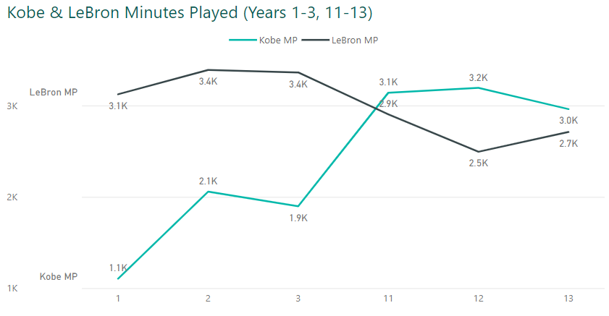
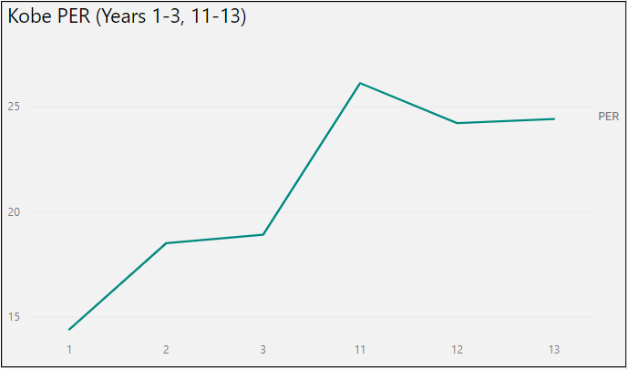
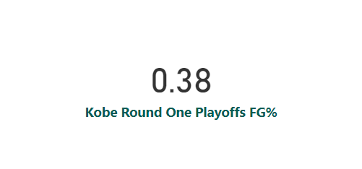

Figure 6

Figure 4
Figure 5

Sources & Copyright
Intellectual Property of Zain Qadri. Unless stated otherwise.
Dataset Sources:
Michael Jordan, Kobe Bryant and Lebron James stats | Kaggle
Kobe Bryant Playoffs Game Log | Basketball-Reference.com

